Java InterView Q
a | Question | Answer
0 | Java version you have worked on ? | Java 17

1 | New features in Java 8 ? | 1. Default Interface 2. Lambda Expressions 3. Functional Interfaces 4. Method Reference 5. Streams 6. Comparable and Comparator 7. Optional Class 8. Date/Time API 9. Miscellaneous

2 | New Features in Java 11 ? | * Local-Variable Syntax for Lambda Parameters * HTTP Client (Standard) * String Methods : isBlank(),lines(),strip(),stripLeading(),stripTrailing(),repeat(int) * File Methods : Files.readString(Path), Files.writeString(Path, CharSequence) * Optional.isEmpty() * Pattern Matching for instanceof * Removal of Deprecated APIs

3 | New Features in Java 17 ?

3 | Streams in Java, How it is different from collections ? | Stream is an interface which represents a sequence of elements supporting sequential and parallel aggregate operations. To perform a computation, stream operations are composed into a stream pipeline. A stream pipeline consists of a source (which might be an array, a collection, a generator function, an I/O channel, etc), zero or more intermediate operations (which transform a stream into another stream, such as filter(Predicate)), and a terminal operation (which produces a result or side-effect, such as count() or forEach(Consumer)). Streams are lazy; computation on the source data is only performed when the terminal operation is initiated, and source elements are consumed only as needed. Collections and streams, while bearing some superficial similarities, have different goals. Collections are primarily concerned with the efficient management of, and access to, their elements. By contrast, streams do not provide a means to directly access or manipulate their elements, and are instead concerned with declaratively describing their source and the computational operations which will be performed in aggregate on that source. However, if the provided stream operations do not offer the desired functionality, the BaseStream.iterator() and BaseStream.spliterator() operations can be used to perform a controlled traversal.

4 | Stream operations ? | Intermediate operations: map(), filter(), sorted(), distinct() Terminal operations: collect(), forEach(), reduce(), count(), anyMatch() and allMatch()

5 | How do microservices communicate ? | Microservices communicate with each other through network protocols and messaging mechanisms. Some of the common methods of their communication are: HTTP/HTTPS: Microservices often communicate over the HTTP or HTTPS protocols using RESTful APIs. Each microservice exposes endpoints that other services can call to request or manipulate data. This approach is straightforward and widely used, making it suitable for many scenarios. Messaging Queues: Microservices can communicate asynchronously through messaging queues like RabbitMQ, Apache Kafka, or Amazon SQS. With messaging queues, services can publish messages to a queue, and other services can consume these messages. This decouples communication between services and supports event-driven architectures. RPC (Remote Procedure Calls): Microservices can use RPC mechanisms such as gRPC or Thrift to communicate with each other. RPC allows services to call methods or procedures on remote services as if they were local, abstracting away the network communication complexity. gRPC, for example, offers high-performance communication using protocol buffers and HTTP/2. Event Streaming: Some microservices architectures rely on event streaming platforms like Apache Kafka or Amazon Kinesis. In this approach, services produce and consume events, enabling real-time communication and data processing. Event streaming is particularly useful for scenarios where events need to be processed asynchronously and distributed across multiple services. Service Mesh: Service meshes provide features like service discovery, load balancing, encryption, and observability, enhancing the reliability and security of microservices communication. These communication mechanisms enable microservices to interact effectively in distributed systems, facilitating scalability, resilience, and maintainability.

6 | What is Lambda Expression ? | A lambda expression is a short block of code which takes in parameters and returns a value. Lambda expressions are similar to methods, but they do not need a name and they can be implemented right in the body of a method. We can use lambda expression to implement a functional interface in compact way. Syntax: () -> expression parameter -> expression (parameter1, parameter2) -> expression (parameter1, parameter2) -> { code block }

7 | What is Functional Interface ? | An Interface that contains exactly one abstract method is known as functional interface. It can have any number of default, static methods and Object class methods but can contain only one abstract method.

8 | Optional class in Java ? | Optional is a container object which may or may not contain a non-null value. If a value is present, isPresent() will return true and get() will return the value. Optional<String> empty = Optional.empty(); String str1 = "hello"; String str2 = null; Optional<String> opt = Optional.of(str1); // No exeption Optional<String> opt = Optional.of(str2); // NullPointerException Optional<String> opt = Optional.ofNullable(str2); // No exeption

9 | HashMap internal implementation. | Interface: Map<K, V>, Nested Interface: Entry<K, V>, {hash, key, value, next} Implementation: HashMap<K, V>, Nested Class: Node<K, V>, {hash, key, value, next} Map<Integer, String> mp = new HashMap<>(); // It creates an array of Node of size 16 by default. mp.put(1, "akash"); // Generate a hash of key > hash % size of node array > If this index already has some value (Collision) > if same key is already present then overwrite the value, else create a new node and link it with the previous node in form of a linkedlist. mp.get(1); // Generate a hash of key > hash % size of node array > Goto this index and traverse the linkedlist or tree comparing the key and if found return value. -> hash of a key during put() is same as hash of same key during get(). -> If two keys have same hash value then it is not necessary that both keys are same. 1. DEFAULT_LOAD_FACTOR = 0.75f; // When no. of elements in node array > node array size * load factor then a new node array of double size is created and rehashing happens so elements index position also gets changed. 2. TREEIFY_THRESHOLD = 8; // When linkedlist length > treeify threshold then linkedlist is converted into a balance binary search tree. Time Complexity: Average case: Put, Get, Remove -> O(1) Worst case: Put, Get, Remove -> O(n) in case of linkedlist initially, O(log n) in case of tree. https://www.javatpoint.com/working-of-hashmap-in-java

10 | Comparator vs Comparable. | Integer[] arr = {3, 1, 2, 5, 4}; Car[] cars = new Car[3]; Arrays.sort(arr); // Sorts in ascending order Arrays.sort(cars); // Exception: Car can not be cast to java.lang.Comparable Problems: 1. How to sort arr in descending order ? 2. How to sort array of objects ? For this, we need help of comparator and comparable. Both are used to change the order of elements in an array or collection. Comparator -> Comparator is a functional interface. -> It has an abstract method - int compare(T o1, T o2); // when o1 > o2, return 1; when o1 = o2 return 0; when o1 < o2, return -1; -> Sorting algorithms use this compare method of comparator to compare 2 variables and decide whether to swap them or not. -> Mostly in algorithms, if this method returns 1 then swap the values. -> Arrays.sort(arr, (Integer a, Integer b) -> a-b); // ascending order Arrays.sort(arr, (Integer a, Integer b) -> b-a); // descending order -> Arrays.sort(cars, (Car obj1, Car obj2) -> obj1.carType.compareTo(obj2.carType)); // lexicographical order (alphabetical order) Arrays.sort(cars, (Car obj1, Car obj2) -> obj2.carType.compareTo(obj1.carType)); // reverse lexicographical order Comparable -> Arrays.sort(arr); How does this sort array since we didn't pass the comparator ? -> It internally uses compareTo() method available in Comparable. -> Comparable is an interface. -> It has an abstract method which accepts only 1 parameter. public int compareTo(T o); -> Sorting algorithms typecast the object to Comparable and then call compareTo method with other object as argument to compare 2 objects and decide whether to swap them or not. -> Since it accepts only 1 parameter so the Class whose objects are to sorted, needs to implement Comparable<T> interface and override compareTo() method. @Override public int compareTo(Car o2) { return this.carType.compareTo(o2.carType); } Now, Arrays.sort(cars); // sort in lexicographical order of carType So if we use comparable, we need to make ch

11 | Different data structures in Java Collections, their use in different scenarios with pros and cons. | 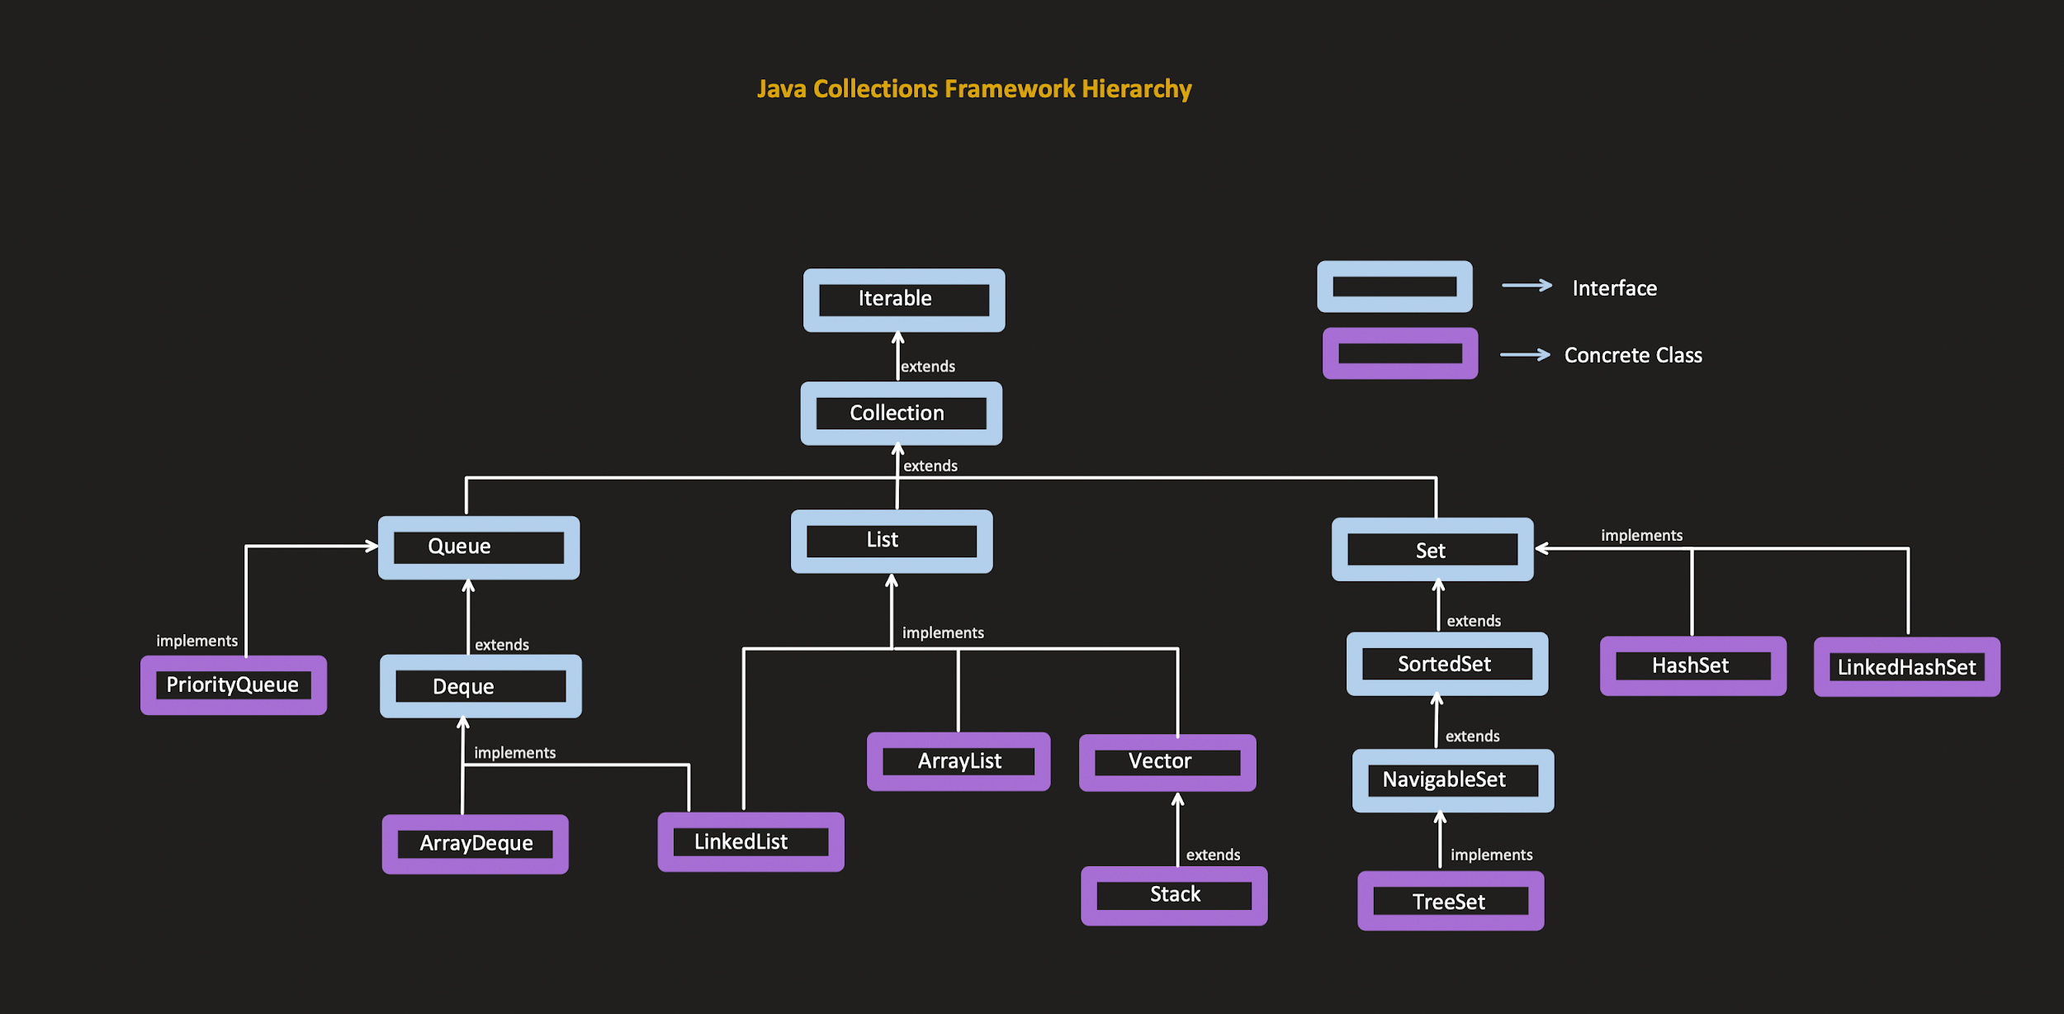
 |  | 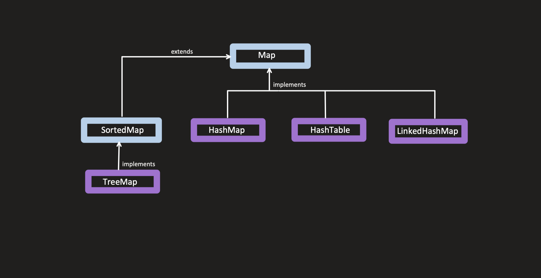

12 | Explain microservices architecure. | https://newsletter.techworld-with-milan.com/p/what-is-microservice-architecture

13 | Spring Boot features. | https://www.geeksforgeeks.org/spring-boot-features-for-java-development/

14 | Different annotations used in Spring Boot. | @SpringBootApplication @Configuration @PathVariable @RequestBody @Autowired @RestController @Bean @EnableAutoConfiguration @Component @Service @Repository

15 | How to get employee with second highest salary from a list of employees using Java streams. | Optional<Integer> secondHighest = numbers.stream() .sorted(Comparator.reverseOrder()) .skip(1) .findFirst(); Optional<Integer> secondHighest = numbers.stream() .sorted((a, b) -> b.compareTo(a)) .skip(1) .findFirst(); Optional<Employee> secondHighest = employees.stream() .sorted(Comparator.comparingDouble(Employee::getSalary).reversed()) .skip(1) .findFirst(); Comparator.naturalOrder() is equivalent to (a, b) -> a.compareTo(b). Comparator.reverseOrder() is equivalent to (a, b) -> b.compareTo(a).

16 | Design an API to get employee. | https://medium.com/@mouhssinazelmat99/building-a-robust-rest-api-with-spring-boot-employee-management-8afbd788b42f

17 | Elasticsearch: query, filter, match, term, must | A search query, or query, is a request for information about data in Elasticsearch data streams or indices. match query: https://www.elastic.co/guide/en/elasticsearch/reference/current/query-dsl-match-query.html term query: https://www.elastic.co/guide/en/elasticsearch/reference/current/query-dsl-term-query.html query vs filter: https://www.elastic.co/guide/en/elasticsearch/reference/current/query-filter-context.html

18 | Rotate a linkedlist to right by 'k' places. | https://www.geeksforgeeks.org/rotate-a-linked-list/

19 | Modifiers in Java | Access Modifiers: controls the access level. For classes, you can use either public or default: public: The class is accessible by any other class default: The class is only accessible by classes in the same package. This is used when you don't specify a modifier. You will learn more about packages in the Packages chapter For attributes, methods and constructors, you can use the one of the following: public: The code is accessible for all classes private: The code is only accessible within the declared class default: The code is only accessible in the same package. This is used when you don't specify a modifier. You will learn more about packages in the Packages chapter protected: The code is accessible in the same package and subclasses. Non-Access Modifiers: do not control access level, but provides other functionality. For classes, you can use either final or abstract: final: The class cannot be inherited by other classes. abstract: The class cannot be used to create objects (To access an abstract class, it must be inherited from another class). For attributes and methods, you can use the one of the following: final: Attributes and methods cannot be overridden/modified. static: Attributes and methods belongs to the class, rather than an object. abstract: Can only be used in an abstract class, and can only be used on methods. The method does not have a body, for example abstract void run();. The body is provided by the subclass (inherited from). transient: Attributes and methods are skipped when serializing the object containing them. synchronized: Methods can only be accessed by one thread at a time. volatile: The value of an attribute is not cached thread-locally, and is always read from the "main memory".

